Kikaku
 |  | E52_E53_E54_KMK confirmation
 | Date: 2017/07/14 |  |  | Ver. |  | 0 |  |  | Inspection Conditions
 |  |  |  | 1.05 |  |  |  |  | Factory Command Communications
Test |  |  | Limit |  |  | Signal | Port | Port |  |  | Checker |  |  |  |  | Reserved (Command deley(ms))
No | Check Items |  | Lo | Hi | Unit | Name | Measure Point | Measure Pad | Transmission | Receive | Function | Port No | Set | Byte | Length | Reserved (Before) | Reserved (After) | Reserved (InPort No.) | Reserved (STM ch) | Reserved | Control spec/Comment | Note
Information Check
100 | Entry check |  | 0 | 0 | H |  |  |  |  |  |  |  |  |  |  |  |  |  |  |  |  |  | 0
495 | Read Merchandise Code |  | 0 | 0 | H |  |  |  |  |  |  |  |  |  |  |  |  |  |  |  |  |  | 0
101 | Set Test Flag Data VE stand-by flag write |  | 0 | 0 | H |  |  |  | 00,04,01,80,00,yy, | 00,03,01,80,00, |  |  |  |  |  |  |  |  |  |  | FACTORY AREA [0] VE Stand-by Flag write for repair Bit6 = 1 |  | 0
140 | Delere KMK and Combo flag |  | 0 | 0 | H |  |  |  | 00,04,01,80,02,yy, | 00,03,01,80,00, |  |  |  |  |  |  |  |  |  |  | FACTORY AREA [2]=*000 *0** (KMK,SPP,IDI,PANEL) リペア等で、次工程Checker PASSを防ぐ
102 | FLASH ROM Data Update (Transfer data from RAM to ROM) |  | 0 | 0 | H |  |  |  | 00, 02,01,90 | 00,03,01,90,00 |  |  |  |  |  |  |  |  |  |  | DRAM登録情報(旧EEPROM情報)をFlashROMへの更新を開始する Idea for reduce tact time: ROM update before finish checking over 1.sec. Only E54 |  | 0
110 | FLASH ROM Data Update check |  | 0 | 0 | H |  |  |  | 00, 02,01,91 | 00,03,01,90,00 |  |  |  |  |  |  |  |  |  |  | 00のStatusがReturnされるまで、Polling（10SecでTimeOut） Only E54 |  | 0
122 | Read Product serial number |  | 0 | 0 | H |  |  |  | 00,02,01,30, | 00,0D,01,30,00,00,xx,xx,xx,xx,xx,xx,xx,xx,xx, |  |  |  |  |  |  |  |  |  |  | Compare Product serial No by checker. |  | 0
111 | ALL Flag check Area[2] |  | 0 | 0 | H |  |  |  | 00,03,01,81,02, | 00,05,01,81,02,00,00,**, |  |  |  |  |  |  |  |  |  |  | FACTORY AREA [2]=*000 10*1 (KMK,SPP,IDI,ISS,PANEL,VE) |  | 0
141 | ALL Flag check Area[0] |  | 0 | 0 | H |  |  |  | 00,03,01,81,00, | 00,05,01,81,00,00,00,**, |  |  |  |  |  |  |  |  |  |  | FACTORY AREA [0]=11** **** (FCH,VE stand-by) |  | 0
106 | Model Code CHECK |  | 0 | 0 | H |  |  |  | 00,02,01,10, | 00,07,01,10,00,00,xx,xx,xx, |  |  |  |  |  |  |  |  |  |  | Model Code = E52/E53/E54 |  | 0
108 | LED ON ALL |  | 0 | 0 | H |  |  |  | 00,03,B0,03,E8, | 00,03,0C,03,00, |  |  |  |  |  |  |  |  |  |  |  |  | 0
497 | Turn on camera LED |  | 0 | 0 | H |  |  |  |  |  |  |  |  |  |  |  |  |  |  |  | Receive command from EOS to press start which will control LED on Send command to EOS to take photo |  | 0
Mecha Check
31 | set profile style : continuation (CR) |  | 0 | 0 | H |  |  |  | 00,04,0F,21,01,01, | 00,03,0F,21,00, |  |  |  |  |  |  |  |  |  |  |  |  | 1
32 | set profile style : continuation (LF) |  | 0 | 0 | H |  |  |  | 00,04,0F,21,00,01, | 00,03,0F,21,00, |  |  |  |  |  |  |  |  |  |  |  |  | 1
33 | CR HOME POSITIONING |  | 0 | 0 | H |  |  |  | 00,02,0E,10, | 00,03,0E,10,00 |  |  |  |  |  |  |  |  |  |  | 仮基準取り※Repair時のみ |  | 1
37 | ASF INITIALIZING (LF FORWARD) |  | 0 | 0 | H |  |  |  | 00,0D,0E,40,1D,00,00,1F,40,00,00,00,01,F4,01, | 00,03,0E,40,00 |  |  |  |  |  |  |  |  |  |  | 通紙P（又は待機P)へ。Max8000ASFON500(1200dpi）CRロック退避兼 |  | 1
34 | CR MOVE TO Rightside.(CLASH) |  | 0 | 0 | H |  |  |  | 00,04,0E,50,0E,00, | 00,03,0E,50,00 |  |  |  |  |  |  |  |  |  |  | 右へ突き当て※Repair時のみ |  | 1
35 | CR LOCK OFF (LF FORWARD) |  | 0 | 0 | H |  |  |  | 00,0D,0E,40,01,00,00,01,2C,00,00,00,00,00,00, | 00,03,0E,40,00, |  |  |  |  |  |  |  |  |  |  | CRロック退避※Repair時のみ |  | 1
36 | CR HOME POSITIONING |  | 0 | 0 | H |  |  |  | 00,02,0E,10, | 00,03,0E,10,00 |  |  |  |  |  |  |  |  |  |  | 本基準取り |  | 1
38 | CR MOVE TO Waiting Pos. |  | 0 | 0 | H |  |  |  | 00,05,0E,20,00,00,8B, | 00,03,0E,20,00 |  |  |  |  |  |  |  |  |  |  |  |  | 1
39 | KMK CHANGING TO Env. POS. |  | 0 | 0 | H |  |  |  | 00,03,0B,10,04, | 00,03,0B,10,00 |  |  |  |  |  |  |  |  |  |  | Profile取得のため単動作 |  | 1
41 | CR MOVE TO HEAD REPLACE POS. (CR) |  | 0 | 0 | H |  |  |  | 00,05,0E,20,00,03,75, | 00,03,0E,20,00 |  |  |  |  |  |  |  |  |  |  | Profile取得のため単動作 |  | 1
96 | Key Detect Key19(Power) Polling |  | 1 | 1 | H |  |  |  | 00,03,B0,04,19, | 00,05,B0,04,00,00,01, |  |  |  |  |  |  |  |  |  |  | For Key check |  | 0
97 | Key Detect Key0E(Stop) Polling |  | 1 | 1 | H |  |  |  | 00,03,B0,04,0E, | 00,05,B0,04,00,00,01, |  |  |  |  |  |  |  |  |  |  | For Key check |  | 0
50 | KMK CHANGING TO PHOTO POS. |  | 0 | 0 | H |  |  |  | 00,03,0B,10,02, | 00,03,0B,10,00 |  |  |  |  |  |  |  |  |  |  |  |  | 1
51 | CR MOVE TO RIB1 Col Upper |  | 0 | 0 | H |  |  |  | 00,05,0E,20,04,05,AC, | 00,03,0E,20,00 |  |  |  |  |  |  |  |  |  |  |  |  | 1
52 | CR MOVE TO RIB2 Col Upper |  | 0 | 0 | H |  |  |  | 00,05,0E,20,04,05,0F, | 00,03,0E,20,00 |  |  |  |  |  |  |  |  |  |  |  |  | 1
53 | CR MOVE TO RIB3 Col Upper |  | 0 | 0 | H |  |  |  | 00,05,0E,20,04,04,82, | 00,03,0E,20,00 |  |  |  |  |  |  |  |  |  |  |  |  | 1
54 | CR MOVE TO RIB4 Col Upper |  | 0 | 0 | H |  |  |  | 00,05,0E,20,04,03,F4, | 00,03,0E,20,00 |  |  |  |  |  |  |  |  |  |  |  |  | 1
55 | CR MOVE TO RIB5 Col Upper |  | 0 | 0 | H |  |  |  | 00,05,0E,20,04,03,66, | 00,03,0E,20,00 |  |  |  |  |  |  |  |  |  |  |  |  | 1
56 | CR MOVE TO RIB6 Col Upper |  | 0 | 0 | H |  |  |  | 00,05,0E,20,04,02,D9, | 00,03,0E,20,00 |  |  |  |  |  |  |  |  |  |  |  |  | 1
57 | CR MOVE TO RIB7 Col Upper |  | 0 | 0 | H |  |  |  | 00,05,0E,20,04,02,4B, | 00,03,0E,20,00 |  |  |  |  |  |  |  |  |  |  |  |  | 1
58 | CR MOVE TO RIB8 Col Upper |  | 0 | 0 | H |  |  |  | 00,05,0E,20,04,01,AE, | 00,03,0E,20,00 |  |  |  |  |  |  |  |  |  |  |  |  | 1
59 | KMK CHANGING TO Env. POS. |  | 0 | 0 | H |  |  |  | 00,03,0B,10,04, | 00,03,0B,10,00 |  |  |  |  |  |  |  |  |  |  |  |  | 1
60 | CR MOVE TO RIB8 Col Upper（PP) |  | 0 | 0 | H |  |  |  | 00,05,0E,20,04,01,AE, | 00,03,0E,20,00 |  |  |  |  |  |  |  |  |  |  |  |  | 1
65 | KMK CHANGING TO Env. POS. |  | 0 | 0 | H |  |  |  | 00,03,0B,10,04, | 00,03,0B,10,00 |  |  |  |  |  |  |  |  |  |  | 圧板上昇してからだと圧板動作に絡むので先に切替 |  | 1
66 | CR MOVE TO Trigger Pos. |  | 0 | 0 | H |  |  |  | 00,05,0E,20,00,00,5F, | 00,03,0E,20,00 |  |  |  |  |  |  |  |  |  |  |  |  | 1
67 | ASF MOVE TO SHIPPING POS. (LF FORWARD) |  | 0 | 0 | H |  |  |  | 00,0D,0E,40,0D,00,00,4E,20,00,00,00,00,57,02, | 00,03,0E,40,00, |  |  |  |  |  |  |  |  |  |  | 放置を考慮し圧板上昇
68 | CR MOVE TO HEAD REPLACE POS.(Package) |  | 0 | 0 | H |  |  |  | 00,02,06,11, | 00,03,06,11,00 |  |  |  |  |  |  |  |  |  |  | コマンドに紙間⇒Env含む（直前の変更で既にEnvなので紙間動作なし） |  | 1
69 | LF Backward |  | 0 | 0 | H |  |  |  | 00,0D,0E,40,1C,00,00,01,C2,01,00,00,00,00,00, | 00,03,0E,40,00 |  |  |  |  |  |  |  |  |  |  |  |  | 1
21 | Rib1 Check (Bk Upper) |  | -0.15 | +0.15 | mm |  |  |  |  |  |  |  |  |  |  |  |  |  |  |  |  |  | 0
22 | Rib2 Check (Bk Upper) |  | -0.15 | +0.15 | mm |  |  |  |  |  |  |  |  |  |  |  |  |  |  |  |  |  | 0
23 | Rib3 Check (Bk Upper) |  | -0.15 | +0.15 | mm |  |  |  |  |  |  |  |  |  |  |  |  |  |  |  |  |  | 0
24 | Rib4 Check (Bk Upper) |  | -0.15 | +0.15 | mm |  |  |  |  |  |  |  |  |  |  |  |  |  |  |  |  |  | 0
25 | Rib5 Check (Bk Upper) |  | -0.15 | +0.15 | mm |  |  |  |  |  |  |  |  |  |  |  |  |  |  |  |  |  | 0
26 | Rib6 Check (Bk Upper) |  | -0.15 | +0.15 | mm |  |  |  |  |  |  |  |  |  |  |  |  |  |  |  |  |  | 0
27 | Rib7 Check (Bk Upper) |  | -0.15 | +0.15 | mm |  |  |  |  |  |  |  |  |  |  |  |  |  |  |  |  |  | 0
28 | Rib8 Check (Bk Upper) |  | -0.15 | +0.15 | mm |  |  |  |  |  |  |  |  |  |  |  |  |  |  |  |  |  | 0
29 | Rib8 Check (Bk Upper)（Env.) |  | +0.5 | +2 | mm |  |  |  |  |  |  |  |  |  |  |  |  |  |  |  |  |  | 0
496 | Req Destination Data |  | 0 | 0 | H |  | USB I/F |  | 00,02,01,14, | 00,05,01,14,00,00,xx, |  |  |  |  |  |  |  |  |  |  |  |  | 0
499 | Read panel sheet |  | 0 | 0 | H |  |  |  |  |  |  |  |  |  |  |  |  |  |  |  | Read panel sheet from EOS -> compare -> judge
Information Check
201 | MAC Adress check1 (WLAN) |  | 0 | 0 | H |  |  |  | 00,03,01,19,01, | 00,0A,01,19,00,00,**,**,**,**,**,**, |  |  |  |  |  |  |  |  |  |  | Read data Only E54
202 | MAC Adress check1 (VENDOR) |  | 1 | FFFFFF | H |  |  |  |  |  |  |  |  |  |  |  |  |  |  |  | record log data Only E54
203 | MAC Adress check1 (SERIAL) |  | 1 | FFFFFF | H |  |  |  |  |  |  |  |  |  |  |  |  |  |  |  | record log data Only E54
480 | Read Safe Gurd Label and Warranty Void Label |  | 0 | 0 | H |  |  |  |  |  |  |  |  |  |  |  |  |  |  |  | Check matching information with sheet "OP Destination info." Match: Return "0" / Not match: Return "1" |  | 0
112 | Set Test Flag Data UI stand-by flag write |  | 0 | 0 | H |  |  |  | 00,04,01,80,03,yy, | 00,03,01,80,00, |  |  |  |  |  |  |  |  |  |  | FACTORY AREA [3] UI Stand-by Flag write for Combo checker Bit7 = 1 |  | 0
116 | Set Test Flag Data VE stand-by flag Delete |  | 0 | 0 | H |  |  |  | 00,04,01,80,00,yy, | 00,03,01,80,00, |  |  |  |  |  |  |  |  |  |  | FACTORY AREA [3] UI Stand-by Flag write for Combo checker Bit6 = 0 |  | 0
113 | KMK Checker Flag Write |  | 0 | 0 | H |  |  |  | 00,04,01,80,02,zz, | 00,03,01,80,00, |  |  |  |  |  |  |  |  |  |  | FACTORY AREA [2] KMK Flag Bit6 = 1 |  | 0
114 | FLASH ROM Data Update (Transfer data from RAM to ROM) |  | 0 | 0 | H |  |  |  | 00, 02,01,90 | 00,03,01,90,00 |  |  |  |  |  |  |  |  |  |  | DRAM登録情報(旧EEPROM情報)をFlashROMへの更新を開始する Idea for reduce tact time: ROM update before finish checking over 1.sec. Only E54 |  | 0
115 | FLASH ROM Data Update check |  | 0 | 0 | H |  |  |  | 00, 02,01,91 | 00,03,01,90,00 |  |  |  |  |  |  |  |  |  |  | 00のStatusがReturnされるまで、Polling（10SecでTimeOut） Only E54 |  | 0
117 | ALL Flag CHECK Area[2] |  | 0 | 0 | H |  |  |  | 00,03,01,81,02, | 00,05,01,81,00,00,00,**, |  |  |  |  |  |  |  |  |  |  | FACTORY AREA [2]=*100 10*1(KMK,SPP,IDI,ISS,PANEL,VE) |  | 0
121 | ALL Flag CHECK Area[0] |  | 0 | 0 | H |  |  |  | 00,03,01,81,00, | 00,05,01,81,00,00,00,**, |  |  |  |  |  |  |  |  |  |  | FACTORY AREA [0]=10** **** (F flag,VE stand-by flag) |  | 0
118 | ALL Flag CHECK Area[3] |  | 0 | 0 | H |  |  |  | 00,03,01,81,03, | 00,05,01,81,00,00,xx, |  |  |  |  |  |  |  |  |  |  | FACTORY AREA [3]=1*** **** (UI stand-by flag) |  | 0
119 | Req Soft Power Off |  | 0 | 0 | H |  |  |  | 00,05,0C,11,03,00,00, |  |  |  |  |  |  |  |  |  |  |  |  |  | 0

モータプロファイル取得コマンド(エラー発生時使用)

76 | Scrape LF Motor Profile (all area) |  | 0 | 0 | H |  |  |  | 00,04,0F,22,00,00, | 00,03,0F,22,00, |  |  |  |  |  |  |  |  |  |  | エラー発生時モータプロファイル取得コマンド(LFモータ 全域) ●Log_Dataフォルダ内に『LF_All_ステップ番号_製品シリアル』をファイル名としたテキストファイルを作成する。 ●データ形式は【データ形式_LF】参照 *6
78 | Scrape LF Motor Profile (HYSTEND) |  | 0 | 0 | H |  |  |  | 00,04,0F,22,00,01, | 00,03,0F,22,00, |  |  |  |  |  |  |  |  |  |  | エラー発生時モータプロファイル取得コマンド(LFモータ 先頭からHystendまで) ●Log_Dataフォルダ内に『LF_ステップ番号_製品シリアル』をファイル名としたテキストファイルを作成する。 ●データ形式は【データ形式_LF】参照 *6
79 | Scrape CR Motor Profile (HYSTEND) |  | 0 | 0 | H |  |  |  | 00,04,0F,22,01,01, | 00,03,0F,22,00, |  |  |  |  |  |  |  |  |  |  | エラー発生時モータプロファイル取得コマンド(CRモータ 先頭からHystendまで) ●Log_Dataフォルダ内に『CR_ステップ番号_製品シリアル』をファイル名としたテキストファイルを作成する。 ●データ形式は【データ形式_CR】参照 *7

Repairチェッカーで使用するメカイニシャルコマンド。： In case of the repair-checker,use this initial command.

105 | ISS Pass Flag CHECK |  | 0 | 0 | H |  |  |  | 00,03,01,81,02, | 00,05,01,81,00,00,00,**, |  |  |  |  |  |  |  |  |  |  | FACTORY AREA [2] ISS Pass Flag CHECK. Bit3 = 1 |  | 0

Contact check
Acety application Jig Contact check

H_D setting
ASIC | MAIN PCB | Direction (0:Input,1:Output) | PU/PD Enable (0:Enable,1:Disenable) | PU/PD Select (0:PD,1:PU)
H_D0 | H_D0 | 0 | 0 | 1
H_D1 | H_D1 | 0 | 0 | 1
H_D2 | H_D2 | 0 | 1 | -
H_D3 | H_D3 | 0 | 1 | -
H_D4 | H_D4 | 0 | 0 | 1
H_D5 | H_D5 | 0 | 1 | -
H_D6 | H_D6 | 0 | 1 | -
H_D7 | H_D7 | 0 | 0 | 1
H_D8 | SUBH_H | 0 | 1 | -
(Adress)=(Value) |  | (15,84)=(00,00) | (15,90)=(01,6C) | (15,94)=(00,93)

Checking method: Loop back checking and R=1K by CL& BK DMH PCB SURFACE (Same VE DMH PCB SURFACE).
OK condition: CL Side: 1 of 2 pin contact (Prevent contact NG by dust)
BK Side: 1 of 2 pin contact (Prevent contact NG by dust)
NG condition: CL Side: Both 2 pin not contact
BK Side: Both 2 pin not contact

 | Signal | CR | MAIN | ASIC Setting
CL | B_VSS1 | B_DATA_C_L | H_D4 | Pull up
 | B_VSS2 | B_DATA_B_S | H_D7 | Pull up
BK | A_VSS1 | A_DATA_EVEN | H_D0 | Pull up
 | A_VSS2 | A_DATA_ODD | H_D1 | Pull up

CL DMH PCB SURFACE
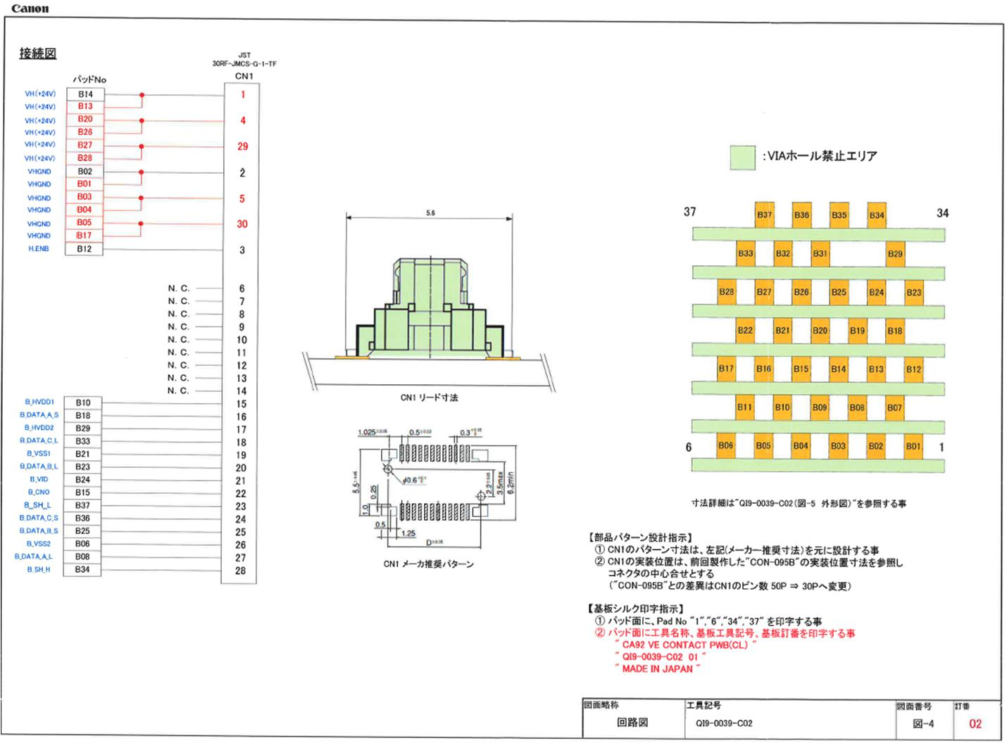

1K

1K

BK DMH PCB SURFACE
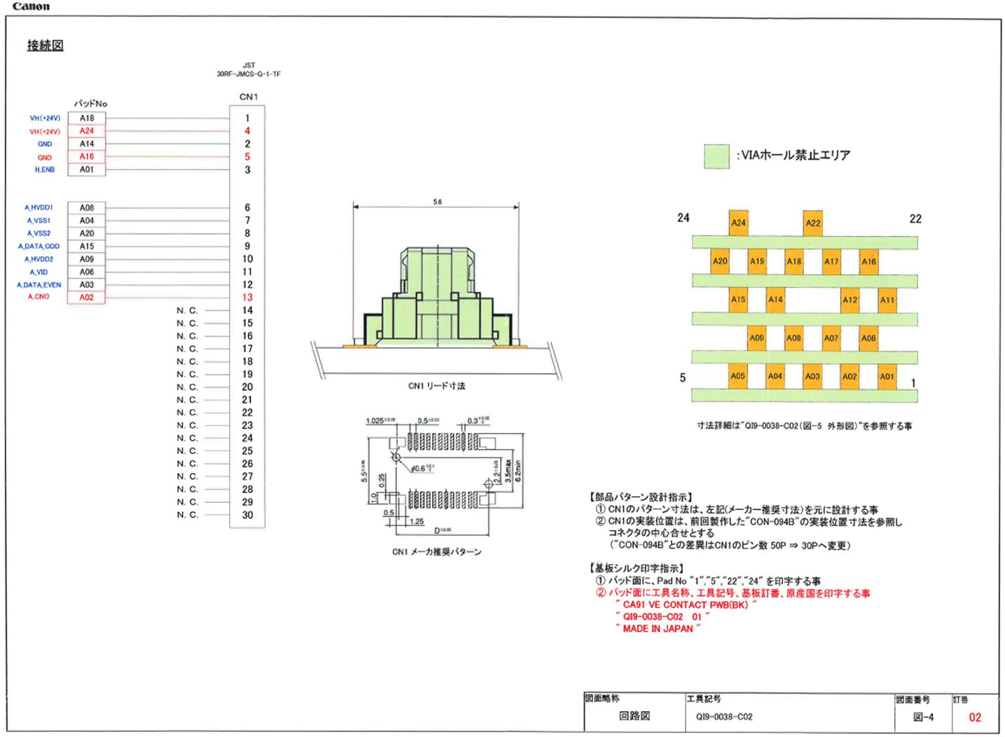

1K
1K

OP Destination info.(E52)
Dist info. | Sheet Key | Dist. Code | Product Name | EMBLEM | Dist | Lang. Code | Safe Guard L | Safe Guard S | Warranty Void BK | Warranty Void CL
2314C001AA(JP) | Fine Label WideG1310 | 2314C001AA | Fine Label Wide | G1310 | JP |  | QC6 | 3183
2314C002AA(US) | G1210PIXMA | 2314C002AA | G1210 | PIXMA | US |  | QC6 | 3183
2314C003AA(CA) | G1210PIXMA | 2314C003AA | G1210 | PIXMA | CA |  | QC6 | 3183
2314C004AA(LAM) | G1110PIXMA | 2314C004AA | G1110 | PIXMA | LAM |  | QC6 | 3183
2314C005AA(CBR) | G1110PIXMA | 2314C005AA | G1110 | PIXMA | CBR |  | QC6 | 3183
2314C006AA(EUR) | G1510PIXMA | 2314C006AA | G1510 | PIXMA | EUR |  | QC6 | 3183
2314C008AA(GB) | G1510PIXMA | 2314C008AA | G1510 | PIXMA | GB |  | QC6 | 3183
2314C009AA(EUM/EMB) | G1410PIXMA | 2314C009AA | G1410 | PIXMA | EUM/EMB |  | QC6 | 3183
2314C012AA(ASA) | G1010PIXMA | 2314C012AA | G1010 | PIXMA | ASA |  | QC6 | 3183 | 63187 | 63188
2314C013AA(HK) | G1010PIXMA | 2314C013AA | G1010 | PIXMA | HK |  | QC6 | 3183 |  | 63189
2314C014AA(CN) | G1810PIXMA | 2314C014AA | G1810 | PIXMA | CN |  | QC6 | 3183 |  | 63189
2314C015AA(TW) | G1010PIXMA | 2314C015AA | G1010 | PIXMA | TW |  | QC6 | 3183 |  | 63189
2314C016AA(KR) | G1910PIXMA | 2314C016AA | G1910 | PIXMA | KR |  | QC6 | 3183
2314C018AA(IN) | G1010PIXMA | 2314C018AA | G1010 | PIXMA | IN |  | QC6 | 3183 | 63187
2314C019AA(ID) | G1010PIXMA | 2314C019AA | G1010 | PIXMA | ID |  | QC6 | 3183 | 63187 | 63188

※A/B列はチェッカー側で使用する情報のため
レイアウトを変えないで下さい！

 |  | Part No. | Part Name |  | Data Matrix Code | Note-1 | Note-2
 |  | QC6-3183-000 | SAFE GUARD POLY BAG LABEL L181 |  | QC6 | Large Label | Safe Guard L
 |  | QC6-3183-000 | SAFE GUARD POLY BAG LABEL L181 |  | 3183 | Small Label | Safe Guard S
 |  | QC6-3187-000 | WARRANTY VOID LABEL BK L181 |  | 63187 | BK side | Warranty Void BK
 |  | QC6-3188-000 | WARRANTY VOID LABEL CL1 L181 |  | 63188 | CL side | Warranty Void CL
 |  | QC6-3189-000 | WARRANTY VOID LABEL CL2 L181 |  | 63189 | CL side | Warranty Void CL

OP Destination info.(E53)
Dist info. | Sheet Key |  | Dist. Code | Product Name | EMBLEM | Dist | Lang. Code | Safe Guard L | Safe Guard S | Warranty Void BK | Warranty Void CL
2313C002AA(US) | AG2210PIXMA |  | 2313C002AA | G2210 | PIXMA | US | A | QC6 | 3183
2313C003AA(CA) | AG2210PIXMA |  | 2313C003AA | G2210 | PIXMA | CA | A | QC6 | 3183
2313C004AA(LAM) | HG2110PIXMA |  | 2313C004AA | G2110 | PIXMA | LAM | H | QC6 | 3183
2313C005AA(CBR) | HG2110PIXMA |  | 2313C005AA | G2110 | PIXMA | CBR | H | QC6 | 3183
2313C006AA(EUR) | BG2510PIXMA |  | 2313C006AA | G2510 | PIXMA | EUR | B | QC6 | 3183
2313C008AA(GB) | BG2510PIXMA |  | 2313C008AA | G2510 | PIXMA | GB | B | QC6 | 3183
2313C009AA(EUM/EMB) | BG2410PIXMA |  | 2313C009AA | G2410 | PIXMA | EUM/EMB | B | QC6 | 3183
2313C011AA(AU) | AG2610PIXMA |  | 2313C011AA | G2610 | PIXMA | AU | A | QC6 | 3183
2313C012AA(ASA) | AG2010PIXMA |  | 2313C012AA | G2010 | PIXMA | ASA | A | QC6 | 3183 | 63187 | 63188
2313C013AA(HK) | CG2010PIXMA |  | 2313C013AA | G2010 | PIXMA | HK | C | QC6 | 3183 |  | 63189
2313C014AA(CN) | DG2810PIXMA |  | 2313C014AA | G2810 | PIXMA | CN | D | QC6 | 3183 |  | 63189
2313C015AA(TW) | CG2010PIXMA |  | 2313C015AA | G2010 | PIXMA | TW | C | QC6 | 3183 |  | 63189
2313C016AA(KR) | EG2910PIXMA |  | 2313C016AA | G2910 | PIXMA | KR | E | QC6 | 3183
2313C018AA(IN) | AG2010PIXMA |  | 2313C018AA | G2010 | PIXMA | IN | A | QC6 | 3183 | 63187
2313C019AA(ID) | AG2010PIXMA |  | 2313C019AA | G2010 | PIXMA | ID | A | QC6 | 3183 | 63187 | 63188
2313C020AA(LAM EB1) | HG2111PIXMA |  | 2313C020AA | G2111 | PIXMA | LAM EB1 | H | QC6 | 3183
2313C022AA(KR2) | EG2915PIXMA |  | 2313C022AA | G2915 | PIXMA | KR2 | E | QC6 | 3183
※A/B列はチェッカー側で使用する情報のため
レイアウトを変えないで下さい！

 |  | Lang. Code |  | A = English, B = ICON/EN, C = TC/EN, D = Chinese , E = Korea, F =Japanese, H = ESP/PORT

 |  |  | Part No. | Part Name |  | Lang | Lang. Code
 |  |  | QL3-0414-000 | OP TOP BK L181 EN |  | EN | A
 |  |  | QL3-0415-000 | OP TOP BK L181 LAM |  | ESP/PORT | H
 |  |  | QL3-0416-000 | OP TOP BK L181 EMBU |  | ICON/EN | B
 |  |  | QL3-0417-000 | OP TOP BK L181 ASA |  | EN | A
 |  |  | QL3-0418-000 | OP TOP BK L181 TC EN |  | TC/EN | C
 |  |  | QL3-0419-000 | OP TOP BK L181 SC |  | SC | D
 |  |  | QL3-0420-000 | OP TOP BK L181 KO |  | KO | E
 |  |  | QL3-0421-000 | OP TOP BK L181 EUR |  | ICON/EN | B
 |  |  | QL3-0422-000 | OP TOP BK L181 AU |  | EN | A

 |  |  | Part No. | Part Name |  | Data Matrix Code | Note-1 | Note-2
 |  |  | QC6-3183-000 | SAFE GUARD POLY BAG LABEL L181 |  | QC6 | Large Label | Safe Guard L
 |  |  | QC6-3183-000 | SAFE GUARD POLY BAG LABEL L181 |  | 3183 | Small Label | Safe Guard S
 |  |  | QC6-3187-000 | WARRANTY VOID LABEL BK L181 |  | 63187 | BK side | Warranty Void BK
 |  |  | QC6-3188-000 | WARRANTY VOID LABEL CL1 L181 |  | 63188 | CL side | Warranty Void CL
 |  |  | QC6-3189-000 | WARRANTY VOID LABEL CL2 L181 |  | 63189 | CL side | Warranty Void CL

OP Destination info.(E54)
Dist info. | Sheet Key |  | Dist. Code | Product Name | EMBLEM | Dist | Lang. Code | Safe Guard L | Safe Guard S | Warranty Void BK | Warranty Void CL
2315C001AA(JP) | FG3310 |  | 2315C001AA |  | G3310 | JP | F | QC6 | 3183
2315C002AA(US) | AG3210PIXMA |  | 2315C002AA | G3210 | PIXMA | US | A | QC6 | 3183
2315C003AA(CA) | AG3210PIXMA |  | 2315C003AA | G3210 | PIXMA | CA | A | QC6 | 3183
2315C004AA(LAM) | HG3110PIXMA |  | 2315C004AA | G3110 | PIXMA | LAM | H | QC6 | 3183
2315C005AA(CBR) | HG3110PIXMA |  | 2315C005AA | G3110 | PIXMA | CBR | H | QC6 | 3183
2315C006AA(EUR) | BG3510PIXMA |  | 2315C006AA | G3510 | PIXMA | EUR | B | QC6 | 3183
2315C008AA(GB) | BG3510PIXMA |  | 2315C008AA | G3510 | PIXMA | GB | B | QC6 | 3183
2315C009AA(EUM/EMB) | BG3410PIXMA |  | 2315C009AA | G3410 | PIXMA | EUM/EMB | B | QC6 | 3183
2315C011AA(AU) | AG3610PIXMA |  | 2315C011AA | G3610 | PIXMA | AU | A | QC6 | 3183
2315C012AA(ASA) | AG3010PIXMA |  | 2315C012AA | G3010 | PIXMA | ASA | A | QC6 | 3183 | 63187 | 63188
2315C013AA(HK) | CG3010PIXMA |  | 2315C013AA | G3010 | PIXMA | HK | C | QC6 | 3183 |  | 63189
2315C014AA(CN) | DG3810PIXMA |  | 2315C014AA | G3810 | PIXMA | CN | D | QC6 | 3183 |  | 63189
2315C015AA(TW) | CG3010PIXMA |  | 2315C015AA | G3010 | PIXMA | TW | C | QC6 | 3183 |  | 63189
2315C016AA(KR) | EG3910PIXMA |  | 2315C016AA | G3910 | PIXMA | KR | E | QC6 | 3183
2315C018AA(IN) | AG3010PIXMA |  | 2315C018AA | G3010 | PIXMA | IN | A | QC6 | 3183 | 63187
2315C020AA(LAM EB1) | HG3111PIXMA |  | 2315C020AA | G3111 | PIXMA | LAM EB1 | H | QC6 | 3183
2315C021AA(CBR EB1) | HG3111PIXMA |  | 2315C021AA | G3111 | PIXMA | CBR EB1 | H | QC6 | 3183
2315C022AA(KR2) | EG3915PIXMA |  | 2315C022AA | G3915 | PIXMA | KR2 | E | QC6 | 3183
2315C023AA(IN EB2) | AG3012PIXMA |  | 2315C023AA | G3012 | PIXMA | IN EB2 | A | QC6 | 3183 | 63187

※A/B列はチェッカー側で使用する情報のため
レイアウトを変えないで下さい！
 |  | Lang. Code |  | A = English, B = ICON/EN, C = TC/EN, D = Chinese , E = Korea, F =Japanese, H = ESP/PORT

 |  |  | Part No. | Part Name |  | Lang | Lang. Code
 |  |  | QL3-0434-000 | OP TOP BK L182 EN |  | EN | A
 |  |  | QL3-0435-000 | OP TOP BK L182 LAM |  | ESP/PORT | H
 |  |  | QL3-0436-000 | OP TOP BK L182 EMBU |  | ICON/EN | B
 |  |  | QL3-0437-000 | OP TOP BK L182 ASA |  | EN | A
 |  |  | QL3-0438-000 | OP TOP BK L182 TC EN |  | TC/EN | C
 |  |  | QL3-0439-000 | OP TOP BK L182 SC |  | SC | D
 |  |  | QL3-0440-000 | OP TOP BK L182 KO |  | KO | E
 |  |  | QL3-0441-000 | OP TOP BK L182 JP |  | JPN | F
 |  |  | QL3-0442-000 | OP TOP BK L182 EUR |  | ICON/EN | B
 |  |  | QL3-0443-000 | OP TOP BK L182 AU |  | EN | A

 |  |  | Part No. | Part Name |  | Data Matrix Code | Note-1 | Note-2
 |  |  | QC6-3183-000 | SAFE GUARD POLY BAG LABEL L181 |  | QC6 | Large Label | Safe Guard L
 |  |  | QC6-3183-000 | SAFE GUARD POLY BAG LABEL L181 |  | 3183 | Small Label | Safe Guard S
 |  |  | QC6-3187-000 | WARRANTY VOID LABEL BK L181 |  | 63187 | BK side | Warranty Void BK
 |  |  | QC6-3188-000 | WARRANTY VOID LABEL CL1 L181 |  | 63188 | CL side | Warranty Void CL
 |  |  | QC6-3189-000 | WARRANTY VOID LABEL CL2 L181 |  | 63189 | CL side | Warranty Void CL

